DetByDHB
Table of Contents |  | Help

 |  |  | Select a DHB: | Select an indicator:

 |  |  |  |  | Northland DHB

 | Indicator: | Registration with a Lead Maternity Carer in the 1st trimester of pregnancy
 | Numerator: | Total number of women who register with a Lead Maternity Carer in the 1st trimester of their pregnancy
 | Denominator: | Total number of women who register with a Lead Maternity Carer
 |  |  |  |  |  |  |  |  |  | Northland DHB | Indicator 1 | 1

 |  |  |  |  | Rate (%) | 2009 | 2010 | 2011 | 2012 | LowerInt | 2009 | 2010 | 2011 | 2012
 |  |  |  |  | Northland DHB | 46.4 | 47.7 | 49.6 | 53.2 | Northland DHB | 2.468 | 2.275 | 2.191 | 2.119
 |  |  |  |  | New Zealand | 56.4 | 58.5 | 61.8 | 63.5 | New Zealand | 0.420 | 0.412 | 0.409 | 0.402

 |  |  |  |  | Numerator | 2009 | 2010 | 2011 | 2012 | UpperInt | 2009 | 2010 | 2011 | 2012
 |  |  |  |  | Northland DHB | 721 | 877 | 990 | 1136 | Northland DHB | 2.485 | 2.285 | 2.192 | 2.108
 |  |  |  |  | New Zealand | 30357 | 32299 | 33667 | 35122 | New Zealand | 0.419 | 0.410 | 0.407 | 0.400

 |  |  |  |  | Denominator | 2009 | 2010 | 2011 | 2012
 |  |  |  |  | Northland DHB | 1554 | 1840 | 1996 | 2137
 |  |  |  |  | New Zealand | 53777 | 55240 | 54460 | 55299

Publication: New Zealand Maternity Clinical Indicators 2012
Source: National Maternity Collection

DetByFacility
Table of Contents |  | Help

 |  |  | Select a facility: |  | Select an indicator:

 |  |  |  | Whangarei (secondary facility)

 | Indicator: | Registration with a Lead Maternity Carer in the 1st trimester of pregnancy
 | Numerator: | Total number of women who register with a Lead Maternity Carer in the 1st trimester of their pregnancy |  |  |  |  |  |  |  |  | Whangarei | Indicator 1 | Secondary1
 | Denominator: | Total number of women who register with a Lead Maternity Carer
 |  |  |  |  |  |  |  |  |  |  | All secondary and tertiary facilities in New Zealand

 |  |  |  |  |  | Rate (%) | 2009 | 2010 | 2011 | 2012 | LowerInt | 2009 | 2010 | 2011 | 2012
 |  |  |  |  |  | Whangarei | 51.0 | 52.0 | 52.1 | 56.7 | Whangarei | 3.075 | 2.831 | 2.615 | 2.561
 |  |  |  |  |  | All secondary/tertiary facilities* | 56.9 | 59.0 | 62.4 | 64.2 | All secondary/tertiary facilities* | 0.458 | 0.449 | 0.443 | 0.434

 |  |  |  |  |  | Numerator | 2009 | 2010 | 2011 | 2012 | UpperInt | 2009 | 2010 | 2011 | 2012
 |  |  |  |  |  | Whangarei | 517 | 623 | 731 | 825 | Whangarei | 3.067 | 2.818 | 2.604 | 2.526
 |  |  |  |  |  | All secondary/tertiary facilities* | 25636 | 27330 | 28741 | 30318 | All secondary/tertiary facilities* | 0.457 | 0.447 | 0.441 | 0.431

 |  |  |  |  |  | Denominator | 2009 | 2010 | 2011 | 2012
 |  |  |  |  |  | Whangarei | 1014 | 1198 | 1404 | 1454
 |  |  |  |  |  | All secondary/tertiary facilities* | 45053 | 46352 | 46093 | 47247

 |  |  |  |  |  | * All secondary and tertiary facilities in New Zealand

Publication: New Zealand Maternity Clinical Indicators 2012
Source: National Maternity Collection

SummByDHB
Table of Contents |  | Help

 |  |  |  | Select a DHB:

 |  |  |  |  |  |  |  |  |  |  |  | New Zealand

 | Indicator 1: Registration with a Lead Maternity Carer in the 1st trimester of pregnancy |  | Indicator 2: Standard primiparae who have a spontaneous vaginal birth |  | Indicator 3: Standard primiparae who undergo an instrumental vaginal birth |  |  |  | Indicator 4: Standard primiparae who undergo caesarean section |  |  |  | Indicator 5: Standard primiparae who undergo induction of labour

 | Indicator 6: Standard primiparae with an intact lower genital tract (no 1st−4th-degree tear or episiotomy) |  | Indicator 7: Standard primiparae undergoing episiotomy and no 3rd- or 4th- degree perineal tear |  | Indicator 8: Standard primiparae sustaining a 3rd- or 4th- degree perineal tear and no episiotomy |  |  |  | Indicator 9: Standard primiparae undergoing episiotomy and sustaining a 3rd- or 4th- degree perineal tear |  |  |  | Indicator 10: Women having a general anaesthetic for caesarean section

 | Indicator 11: Women requiring a blood transfusion with caesarean section |  | Indicator 12: Women requiring a blood transfusion with vaginal birth |  | Indicator 14: Maternal tobacco use during postnatal period |  |  |  | Indicator 15: Preterm birth

 | Note: annual rates for diagnosis of eclampsia at birth admission (indicator 13) is not presented due to very low numbers; see table below for numbers.

Publication: New Zealand Maternity Clinical Indicators 2012
Source: National Maternity Collection

 |  |  |  |  |  |  |  |  |  |  |  | New Zealand

 | Indicator |  |  |  | Numerator value |  |  |  | Denominator value |  |  |  | Rate (%)
 |  |  |  |  | 2009 | 2010 | 2011 | 2012 | 2009 | 2010 | 2011 | 2012 | 2009 | 2010 | 2011 | 2012
1 | 1: Registration with a Lead Maternity Carer in the 1st trimester of pregnancy |  |  |  | 30357 | 32299 | 33667 | 35122 | 53777 | 55240 | 54460 | 55299 | 56.4 | 58.5 | 61.8 | 63.5
2 | 2: Standard primiparae who have a spontaneous vaginal birth |  |  |  | 6693 | 6581 | 6349 | 6113 | 9709 | 9502 | 9163 | 8915 | 68.9 | 69.3 | 69.3 | 68.6
3 | 3: Standard primiparae who undergo an instrumental vaginal birth |  |  |  | 1453 | 1399 | 1379 | 1366 | 9709 | 9502 | 9163 | 8915 | 15.0 | 14.7 | 15.0 | 15.3
4 | 4: Standard primiparae who undergo caesarean section |  |  |  | 1480 | 1455 | 1386 | 1409 | 9709 | 9502 | 9163 | 8915 | 15.2 | 15.3 | 15.1 | 15.8
5 | 5: Standard primiparae who undergo induction of labour |  |  |  | 433 | 368 | 408 | 373 | 9709 | 9502 | 9163 | 8915 | 4.5 | 3.9 | 4.5 | 4.2
6 | 6: Standard primiparae with an intact lower genital tract (no 1st−4th-degree tear or episiotomy) |  |  |  | 2744 | 2599 | 2381 | 2100 | 8229 | 8047 | 7777 | 7506 | 33.3 | 32.3 | 30.6 | 28.0
7 | 7: Standard primiparae undergoing episiotomy and no 3rd- or 4th- degree perineal tear |  |  |  | 1663 | 1642 | 1581 | 1547 | 8229 | 8047 | 7777 | 7506 | 20.2 | 20.4 | 20.3 | 20.6
8 | 8: Standard primiparae sustaining a 3rd- or 4th- degree perineal tear and no episiotomy |  |  |  | 266 | 268 | 269 | 275 | 8229 | 8047 | 7777 | 7506 | 3.2 | 3.3 | 3.5 | 3.7
9 | 9: Standard primiparae undergoing episiotomy and sustaining a 3rd- or 4th- degree perineal tear |  |  |  | 102 | 81 | 98 | 123 | 8229 | 8047 | 7777 | 7506 | 1.2 | 1.0 | 1.3 | 1.6
10 | 10: Women having a general anaesthetic for caesarean section |  |  |  | 1376 | 1386 | 1244 | 1338 | 15238 | 15247 | 14876 | 15572 | 9.0 | 9.1 | 8.4 | 8.6
11 | 11: Women requiring a blood transfusion with caesarean section |  |  |  | 569 | 500 | 487 | 496 | 15238 | 15247 | 14876 | 15572 | 3.7 | 3.3 | 3.3 | 3.2
12 | 12: Women requiring a blood transfusion with vaginal birth |  |  |  | 707 | 747 | 728 | 764 | 48983 | 49203 | 47422 | 46738 | 1.4 | 1.5 | 1.5 | 1.6
13 | 13: Diagnosis of eclampsia at birth admission |  |  |  | 27 | 22 | 17 | 14 | 64221 | 64450 | 62298 | 62310 | 0.04 | 0.03 | 0.03 | 0.02
14 | 14: Maternal tobacco use during postnatal period |  |  |  | 7617 | 8159 | 7353 | 7323 | 51042 | 52908 | 52121 | 52869 | 14.9 | 15.4 | 14.1 | 13.9
15 | 15: Preterm birth |  |  |  | 4745 | 4779 | 4585 | 4759 | 64519 | 64836 | 62602 | 62743 | 7.4 | 7.4 | 7.3 | 7.6

Publication: New Zealand Maternity Clinical Indicators 2012
Source: National Maternity Collection

SummByFacility
Table of Contents |  | Help

 |  |  |  | Select a secondary/tertiary facility:

 |  |  |  |  |  |  | All secondary/tertiary facilities

 | Indicator 1: Registration with a Lead Maternity Carer in the 1st trimester of pregnancy |  | Indicator 2: Standard primiparae who have a spontaneous vaginal birth |  | Indicator 3: Standard primiparae who undergo an instrumental vaginal birth |  |  |  | Indicator 4: Standard primiparae who undergo caesarean section |  |  |  | Indicator 5: Standard primiparae who undergo induction of labour

 | Indicator 6: Standard primiparae with an intact lower genital tract (no 1st−4th-degree tear or episiotomy) |  | Indicator 7: Standard primiparae undergoing episiotomy and no 3rd- or 4th- degree perineal tear |  | Indicator 8: Standard primiparae sustaining a 3rd- or 4th- degree perineal tear and no episiotomy |  |  |  | Indicator 9: Standard primiparae undergoing episiotomy and sustaining a 3rd- or 4th- degree perineal tear |  |  |  | Indicator 10: Women having a general anaesthetic for caesarean section

 | Indicator 11: Women requiring a blood transfusion with caesarean section |  | Indicator 12: Women requiring a blood transfusion with vaginal birth |  | Indicator 14: Maternal tobacco use during postnatal period |  |  |  | Indicator 15: Preterm birth

 | Note: annual rates for diagnosis of eclampsia at birth admission (indicator 13) is not presented due to very low numbers; see table below for numbers.

Publication: New Zealand Maternity Clinical Indicators 2012
Source: National Maternity Collection

 |  |  |  |  |  |  | All secondary/tertiary facilities

 | Indicator |  |  |  | Numerator value |  |  |  | Denominator value |  |  |  | Rate (%)
 |  |  |  |  | 2009 | 2010 | 2011 | 2012 | 2009 | 2010 | 2011 | 2012 | 2009 | 2010 | 2011 | 2012
 | 1: Registration with a Lead Maternity Carer in the 1st trimester of pregnancy |  |  |  | 25636 | 27330 | 28741 | 30318 | 45053 | 46352 | 46093 | 47247 | 56.9 | 59.0 | 62.4 | 64.2
 | 2: Standard primiparae who have a spontaneous vaginal birth |  |  |  | 5409 | 5324 | 5235 | 5116 | 8414 | 8216 | 8034 | 7910 | 64.3 | 64.8 | 65.2 | 64.7
 | 3: Standard primiparae who undergo an instrumental vaginal birth |  |  |  | 1445 | 1386 | 1373 | 1364 | 8414 | 8216 | 8034 | 7910 | 17.2 | 16.9 | 17.1 | 17.2
 | 4: Standard primiparae who undergo caesarean section |  |  |  | 1480 | 1447 | 1385 | 1408 | 8414 | 8216 | 8034 | 7910 | 17.6 | 17.6 | 17.2 | 17.8
 | 5: Standard primiparae who undergo induction of labour |  |  |  | 409 | 351 | 395 | 372 | 8414 | 8216 | 8034 | 7910 | 4.9 | 4.3 | 4.9 | 4.7
 | 6: Standard primiparae with an intact lower genital tract (no 1st−4th-degree tear or episiotomy) |  |  |  | 1868 | 1790 | 1684 | 1485 | 6934 | 6769 | 6649 | 6502 | 26.9 | 26.4 | 25.3 | 22.8
 | 7: Standard primiparae undergoing episiotomy and no 3rd- or 4th- degree perineal tear |  |  |  | 1619 | 1592 | 1553 | 1521 | 6934 | 6769 | 6649 | 6502 | 23.3 | 23.5 | 23.4 | 23.4
 | 8: Standard primiparae sustaining a 3rd- or 4th- degree perineal tear and no episiotomy |  |  |  | 248 | 236 | 225 | 258 | 6934 | 6769 | 6649 | 6502 | 3.6 | 3.5 | 3.4 | 4.0
 | 9: Standard primiparae undergoing episiotomy and sustaining a 3rd- or 4th- degree perineal tear |  |  |  | 100 | 79 | 95 | 122 | 6934 | 6769 | 6649 | 6502 | 1.4 | 1.2 | 1.4 | 1.9
 | 10: Women having a general anaesthetic for caesarean section |  |  |  | 1371 | 1382 | 1243 | 1336 | 15228 | 15187 | 14871 | 15567 | 9.0 | 9.1 | 8.4 | 8.6
 | 11: Women requiring a blood transfusion with caesarean section |  |  |  | 569 | 497 | 486 | 496 | 15228 | 15187 | 14871 | 15567 | 3.7 | 3.3 | 3.3 | 3.2
 | 12: Women requiring a blood transfusion with vaginal birth |  |  |  | 701 | 745 | 725 | 757 | 39181 | 39466 | 38370 | 38144 | 1.8 | 1.9 | 1.9 | 2.0
 | 13: Diagnosis of eclampsia at birth admission |  |  |  | 27 | 22 | 17 | 14 | 54409 | 54653 | 53241 | 53711 | 0.05 | 0.04 | 0.03 | 0.03
 | 14: Maternal tobacco use during postnatal period |  |  |  | 5929 | 6443 | 5808 | 5787 | 42641 | 44272 | 43978 | 45053 | 13.9 | 14.6 | 13.2 | 12.8
 | 15: Preterm birth |  |  |  | 4572 | 4602 | 4418 | 4599 | 55335 | 55654 | 53902 | 54667 | 8.3 | 8.3 | 8.2 | 8.4

Publication: New Zealand Maternity Clinical Indicators 2012
Source: National Maternity Collection

SummByPrimFac
Table of Contents |  | Help

 |  |  | Select a primary facility:

 |  |  |  |  |  | All primary facilities

 | Indicator |  |  | Numerator value |  |  |  | Denominator value |  |  |  | Rate (%)
 |  |  |  | 2009 | 2010 | 2011 | 2012 | 2009 | 2010 | 2011 | 2012 | 2009 | 2010 | 2011 | 2012
 | 1: Registration with a Lead Maternity Carer in the 1st trimester of pregnancy |  |  | 3198 | 3393 | 3272 | 2828 | 5918 | 6143 | 5695 | 4955 | 54.0 | 55.2 | 57.5 | 57.1
 | 2: Standard primiparae who have a spontaneous vaginal birth |  |  | 1284 | 1256 | 1114 | 997 | 1295 | 1285 | 1129 | 1005 | 99.2 | 97.7 | 98.7 | 99.2
 | 3: Standard primiparae who undergo an instrumental vaginal birth |  |  | 8 | 13 | 6 | 2 | 1295 | 1285 | 1129 | 1005 | 0.6 | 1.0 | 0.5 | 0.2
 | 4: Standard primiparae who undergo caesarean section |  |  | 0 | 8 | 1 | 1 | 1295 | 1285 | 1129 | 1005 | - | 0.6 | 0.1 | 0.1
 | 5: Standard primiparae who undergo induction of labour |  |  | 24 | 17 | 13 | 1 | 1295 | 1285 | 1129 | 1005 | 1.9 | 1.3 | 1.2 | 0.1
 | 6: Standard primiparae with an intact lower genital tract (no 1st−4th-degree tear or episiotomy) |  |  | 876 | 808 | 697 | 615 | 1295 | 1277 | 1128 | 1004 | 67.6 | 63.3 | 61.8 | 61.3
 | 7: Standard primiparae undergoing episiotomy and no 3rd- or 4th- degree perineal tear |  |  | 44 | 50 | 28 | 26 | 1295 | 1277 | 1128 | 1004 | 3.4 | 3.9 | 2.5 | 2.6
 | 8: Standard primiparae sustaining a 3rd- or 4th- degree perineal tear and no episiotomy |  |  | 18 | 32 | 44 | 17 | 1295 | 1277 | 1128 | 1004 | 1.4 | 2.5 | 3.9 | 1.7
 | 9: Standard primiparae undergoing episiotomy and sustaining a 3rd- or 4th- degree perineal tear |  |  | 2 | 2 | 3 | 1 | 1295 | 1277 | 1128 | 1004 | 0.2 | 0.2 | 0.3 | 0.1
 | 10: Women having a general anaesthetic for caesarean section |  |  | 5 | 4 | 1 | 2 | 10 | 60 | 5 | 5 | 50.0 | 6.7 | 20.0 | 40.0
 | 11: Women requiring a blood transfusion with caesarean section |  |  | 0 | 3 | 1 | 0 | 10 | 60 | 5 | 5 | - | 5.0 | 20.0 | -
 | 12: Women requiring a blood transfusion with vaginal birth |  |  | 6 | 2 | 3 | 7 | 6699 | 6728 | 6193 | 5361 | 0.1 | 0.0 | 0.0 | 0.1
 | 13: Diagnosis of eclampsia at birth admission |  |  | 0 | 0 | 0 | 0 | 6709 | 6788 | 6198 | 5366 | - | - | - | -
 | 14: Maternal tobacco use during postnatal period |  |  | 1235 | 1275 | 1148 | 1085 | 5684 | 5950 | 5548 | 4828 | 21.7 | 21.4 | 20.7 | 22.5
 | 15: Preterm birth |  |  | 102 | 109 | 91 | 81 | 6827 | 6958 | 6338 | 5479 | 1.5 | 1.6 | 1.4 | 1.5

Publication: New Zealand Maternity Clinical Indicators 2012
Source: National Maternity Collection

Help
Help

Which sheet should I use?
How can I view a different DHB/facility or indicator?
How do I view data by facility instead of DHB (and vice versa)?
Can I print out these graphs?
Where can I find out more information about the indicators?

Which sheet should I use?
1. To see a snapshot across all indicators:
 | SummByDHB | SummByFacility | SummByPrimFac
 | SummByDHB and SummByFacility show graphs of all indicators (except indicator 13) for the selected DHB or secondary/tertiary maternity facility.
 | All three sheets include clinical indicator numbers for the selected DHB or facility.
 | DHB is derived from residential domicile of woman giving birth/liveborn child and maternity facility is the facility of birth.
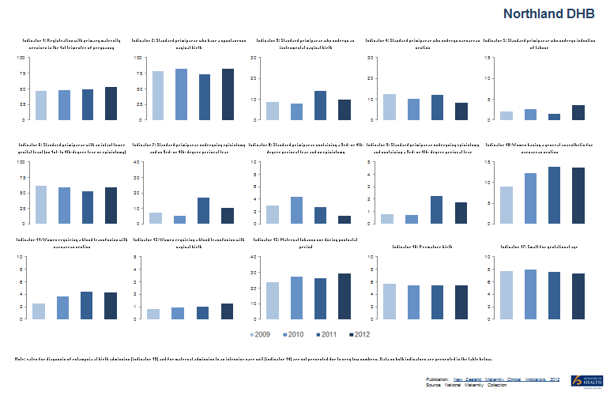
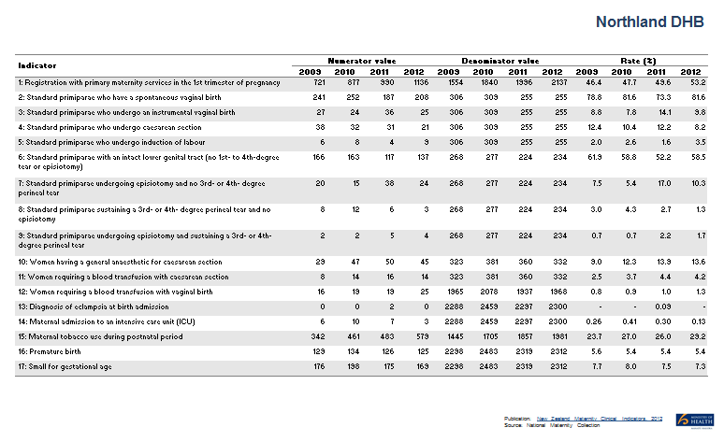

2. To see figures and graph for selected indicator and DHB/facility:
 | DetByDHB | DetByFacility
 | Overall rates are presented for comparison (New Zealand total for DetByDHB and all secondary/tertiary facilities total for DetByFacility)
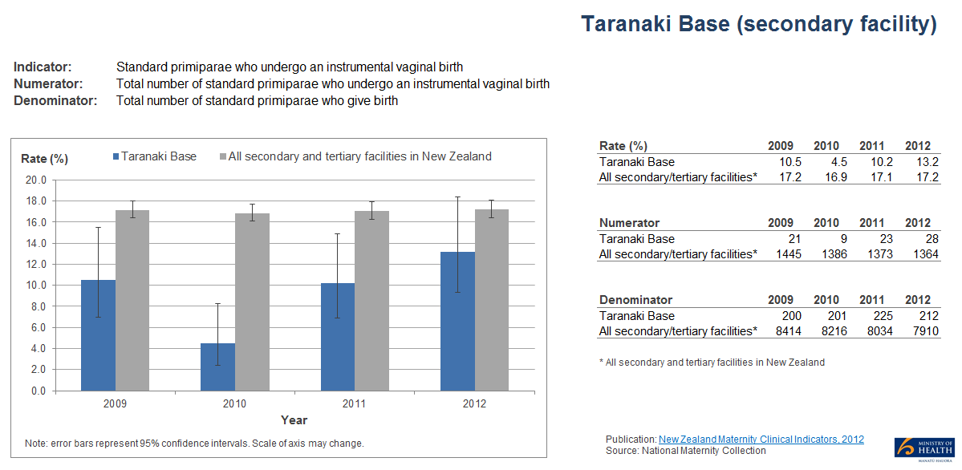

How can I view a different DHB/facility or indicator?
1. Look for the cell coloured blue with a little down arrow on the far right at the top of the sheet.
2. Click on the down arrow. A drop-down list will appear.
3. Select the option you require from the list.
4. The data in the tables and graphs will update based on your selection.
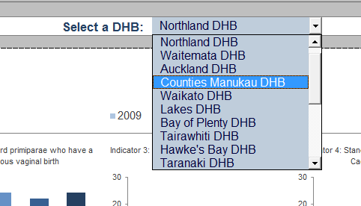
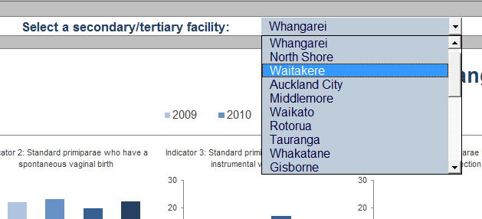

How do I view data by facility instead of DHB (and vice versa)?
Choose the relevant sheet to show data by facility instead of DHB.
Go to the Table of Contents for more information.

Can I print out these graphs?
Yes. The sheets in this file have been set to print out graph(s) and table(s) within a single sheet of A4 (landscape format).

Where can I find out more information about the indicators?
See the 2012 New Zealand Maternity Clinical Indicators Report for more information about interpreting the results, analytical methods used and further technical notes.
http://www.health.govt.nz/publication/new-zealand-maternity-clinical-indicators-2012

